Yeu Cau
How KNN algorithm works
Suppose we have height, weight and T-shirt size of some customers and we need to predict the T-shirt size of a new customer given only height and weight information we have. Data including height, weight and T-shirt size information is shown below -

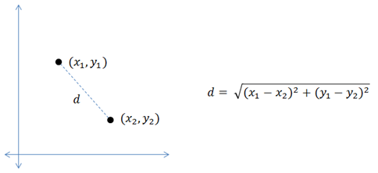
 | Height (in cms) | Weight (in kgs) | T Shirt Size
8 | 160 | 64 | L | 6.7082039325
3 | 158 | 63 | M | 7.0710678119
9 | 163 | 64 | L | 8.4852813742
12 | 165 | 65 | L | 9.4339811321
5 | 160 | 60 | M | 10.440306509
7 | 163 | 61 | M | 10.816653826
2 | 158 | 59 | M | 11.045361017
11 | 165 | 62 | L | 11.313708499
4 | 160 | 59 | M | 11.401754251
6 | 163 | 60 | M | 11.66190379
15 | 168 | 66 | L | 11.704699911
10 | 165 | 61 | L | 12.041594579
1 | 158 | 58 | M | 12.041594579
14 | 168 | 63 | L | 13.03840481
18 | 170 | 68 | L | 13.152946438
13 | 168 | 62 | L | 13.601470509
17 | 170 | 64 | L | 14.317821063
16 | 170 | 63 | L | 14.76482306

New customer named 'Monica' has height 161cm and weight 61kg => Predict T-shirt size if k=5
157 | 70

